Dashboard

TREATMENT SERVICE

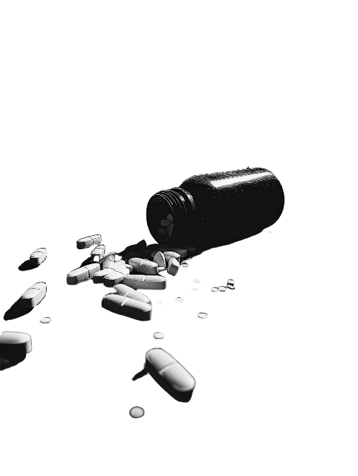
 | Attendance | %
Completed | 408 | 53.40%
DNA | 251 | 32.85%
Rearranged | 105 | 13.74%
 | Total
Alcohol | 392
Cannabis | 110
Opiates | 155
Cocaine | 107
 | Completed | DNA | Rearranged
PL | 12 | 70 | 7
Police | 32 | 35 | 11
Probation | 51 | 19 | 26

 | Referrals | Assessments
oct-24 | 90 | 53
nov-24 | 72 | 95
dic-24 | 60 | 74
ene-25 | 91 | 87
feb-25 | 99 | 52
mar-25 | 75 | 108
abr-25 | 94 | 63
may-25 | 76 | 59
jun-25 | 73 | 77
jul-25 | 87 | 82
ago-25 | 49 | 65
sep-25 | 59 | 110
oct-25 | 77 | 93
nov-25 | 81 | 97
dic-25 | 97 | 82
ene-26 | 106 | 92
feb-26 | 88 | 76
mar-26 | 97 | 74
abr-26 | 103 | 80
may-26 | 92 | 73
jun-26 | 84 | 80
jul-26 | 96 | 65
ago-26 | 79 | 73
sep-26 | 107 | 97
oct-26 | 84 | 76
nov-26 | 92 | 83
 | Completed | DNA | Rearranged
oct | 13 | 10 | 8
nov | 15 | 9 | 6
dic | 14 | 9 | 8
ene | 10 | 15 | 6
feb | 15 | 7 | 6
mar | 22 | 8 | 1
abr | 20 | 10
may | 12 | 14 | 5
jun | 13 | 11 | 6
jul | 10 | 16 | 5
ago | 26 | 5
sep | 18 | 9 | 3
oct | 21 | 6 | 4
nov | 15 | 8 | 7
dic | 16 | 12 | 3
ene | 15 | 9 | 7
feb | 13 | 11 | 4
mar | 20 | 7 | 4
abr | 15 | 12 | 3
may | 17 | 9 | 5
jun | 17 | 7 | 6
jul | 20 | 9 | 2
ago | 17 | 13 | 1
sep | 18 | 8 | 4
oct | 15 | 15 | 1
nov | 1 | 2

